SignUp
Bug Report (SignUp Page) |  | Bug Report (SignUp Page)

Software Version | V1.0 | Software Version | V1.0
BUG # ID | Bug_TodoApp_SignUp_001 | BUG # ID | Bug_TodoApp_SignUp_002
Bug Title | SignUp_FirstName | Bug Title | SignUp_Email

Bug Description (Summary) | User can not sign up if enter a name with 3 characters. | Bug Description (Summary) | Verify Signing Up with invalid email format.

Pre-condition | Open SignUp Page. DataBase should be ready. | Pre-condition | Open SignUp Page. DataBase should be ready.

Test Data | firstname : ram lastname : Rami email:test2@gmail.com password : Test123! conf.pass : Test123! | Test Data | firstname: Rami lastname: Rami email:test11@gmail.org password: Test123! Conf.Password:Test123!

Bug Steps | 1-Open SignUp page. 2-Fill firstname with 3 characters. 3-Fill a correct lastname. 4-Fill a correct Email. 5-Fill a correct password. 6-Fill a correct confirmation password. 7-press signup button. | Bug Steps | 1-Open SignUp page. 2-Fill a correct firstname. 3-Fill a correct lastname. 4-Fill Email with replace ".com" with ".org". 5-Fill a correct password. 6-Fill a correct confirmation password. 7-press signup button.

Expected Result | Should be signing up correctly and navegate to home page. | Expected Result | Should not be able to signing up and show error message "Please Insert a correct Email format"

Actual Result | Error message was displayed "First Name is required, and it should be more than 3 characters" | Actual Result | Signing up Correctly and navigate to todo page.

Bug Severity | Critical | Bug Severity | Critical

Bug Priority | Critical | Bug Priority | Critical
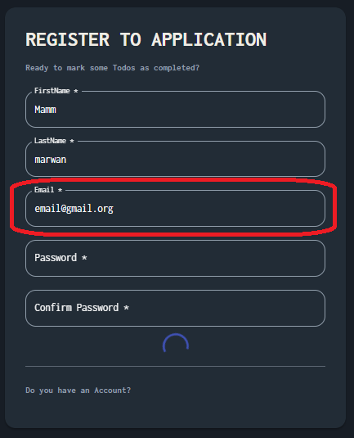
Attachment |  | Attachment

Bug Status | Knowen Issue | Bug Status | Knowen Issue

ToDo
Bug Report (LogIn Page) |  | Bug Report (LogIn Page) |  | Bug Report (LogIn Page) |  | Bug Report (LogIn Page)

Software Version | V1.0 | Software Version | V1.0 | Software Version | V1.0 | Software Version | V1.0
BUG # ID | Bug_TodoApp_ToDo_001 | BUG # ID | Bug_TodoApp_ToDo_002 | BUG # ID | Bug_TodoApp_ToDo_003 | BUG # ID | Bug_TodoApp_ToDo_004
Bug Title | Todo | Bug Title | Todo | Bug Title | Todo | Bug Title | Todo

Bug Description (Summary) | Verify User name with 2 character. | Bug Description (Summary) | Verify Pagination in Todo Page | Bug Description (Summary) | Verify compatibilty of Todo Page. | Bug Description (Summary) | Verify compatibilty of Todo Page

Pre-condition | Open SignUp Page. DataBase should be ready. | Pre-condition | Open SignUp Page. DataBase should be ready. | Pre-condition | Open SignUp Page. DataBase should be ready. | Pre-condition | Open SignUp Page. DataBase should be ready.

Test Data | User name : Mi | Test Data |  | Test Data |  | Test Data | User name : Mi

Bug Steps | 1-open DevTool 2-open Application tap 3-Open LocalStorage 4-change user name into Mi. | Bug Steps | 1-Click on "+" add task icon. 2-Fill your taks. 3-Repeat it for 6 times. | Bug Steps | 1-open DevTools 2-click on Toggle Device toolbar 3-change to IphonXr | Bug Steps | 1-open todoapp in browser 2-reduse the size of window of browser

Expected Result | replace the user name with "User". | Expected Result | should UI pading well | Expected Result | should displayed correctly | Expected Result | should displayed correctly

Actual Result | name with two character is showing. | Actual Result | No Avavilable todos is displayed behind cards numbers. | Actual Result | Does not display correctly | Actual Result | Does not display correctly and QACART logo , Home icon and Signup icon behind the card.

Bug Severity | High | Bug Severity | Mediam | Bug Severity | Critical | Bug Severity | High
Bug Priority | High | Bug Priority | Mediam | Bug Priority | Critical | Bug Priority | High

Attachment |  | Attachment |  | Attachment |  | Attachment | 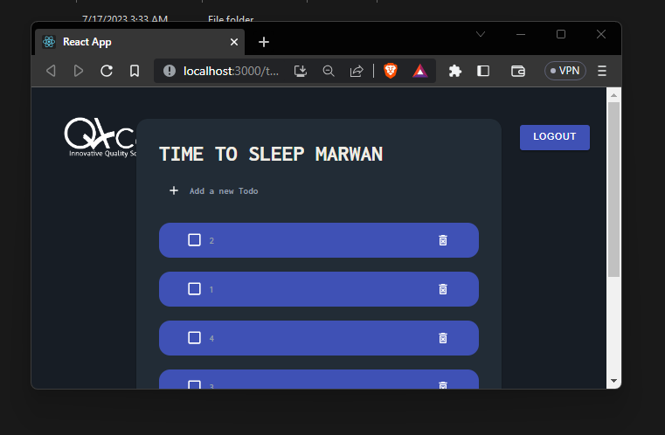

Bug Status | Knowen Issue | Bug Status | Knowen Issue | Bug Status | Knowen Issue | Bug Status | Knowen Issue

